speed-power
M8 vessel, 110*11.4*3.5, DWT=3000t, Pinstall=1750kW. This sheet is a record of selecting groups of (sailing speed, corresponding power required) when sailing at water depth 6,4,2.5m with loading 2500t, 2500t,1500t, respectively. Aiming to find optimal groups to show the method application on current and water depth influence. The limit speed in each condition is calculated by finding the max V with the restriction'' if Partial engine load=1, break''. The (speed,power) in each condition is calculated by finding the max V with the restriction'' if Ptot<1750, append([i,P_tot3[i],V_0[i]]) ''.(ref: OpenTNSim\notebook\Plots of energy consumption and emission calculations.ipynb\section:6. Power a ship requires)
 | power required kW | speed m/s | speed km/h |  | power required kW | speed m/s | speed km/h |  | power required kW | speed m/s | speed km/h
water depth=6 |  |  |  | water depth=4 |  |  |  | water depth=2.5
load=2500t | 94.62 | 1.0 | 3.65 | load=2500t | 95.98 | 1.0 | 3.65 | load=1500t | 95.87 | 1.0 | 3.65
speed limit=5,02m/s=18,08km/h | 109.21 | 1.5 | 5.36 | speed limit=4,47m/s=16,09km/h | 113.18 | 1.5 | 5.36 | speed limit=3,87m/s=13,93km/h | 112.66 | 1.5 | 5.36
 | 138.89 | 2.0 | 7.22 |  | 148.07 | 2.0 | 7.22 |  | 146.7 | 2.0 | 7.22
 | 182.95 | 2.5 | 8.93 |  | 199.86 | 2.5 | 8.93 |  | 197.66 | 2.5 | 8.93
 | 253.78 | 3.0 | 10.79 |  | 281.26 | 3.0 | 10.79 |  | 311.11 | 3.0 | 10.79
 | 352.27 | 3.5 | 12.65 |  | 423.01 | 3.5 | 12.65 |  | 721.61 | 3.5 | 12.65
 | 518.14 | 4.0 | 14.51 |  | 767.72 | 4.0 | 14.51 |  | 1622.27 | 3.87 | 13.93
 | 837.42 | 4.5 | 16.22 |  | 1662.56 | 4.47 | 16.09
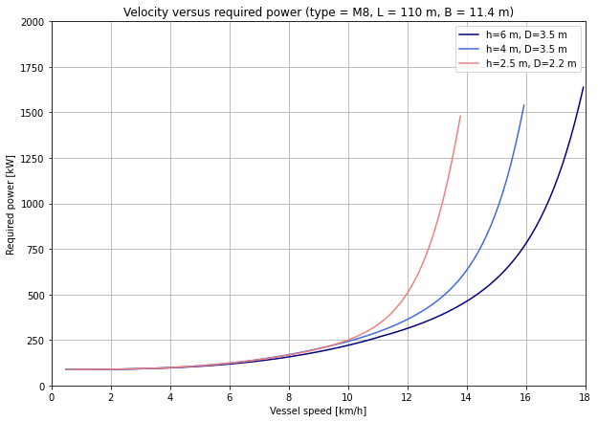
 | 1743.25 | 5.0 | 18.08

